Dashboard
Monthly Income
Chart
Month | Salary |  | Rate
January | Rp3,500,000 |  | Rp14,000.00
February | Rp4,500,000 |  | Rp17,307.69
March | Rp4,000,000 |  | Rp16,666.67
April | Rp4,500,000 |  | Rp18,750.00
May | Rp5,000,000 |  | Rp20,833.33
June | Rp5,500,000 |  | Rp22,916.67
July | Rp5,500,000 |  | Rp22,916.67
August | Rp6,500,000 |  | Rp27,083.33
September | Rp6,000,000 |  | Rp25,000.00
October | Rp7,000,000 |  | Rp29,166.67
November | Rp8,000,000 |  | Rp33,333.33
December | Rp8,900,000 |  | Rp37,083.33
 | Rp68,900,000.00 |  | Rp23,676.98

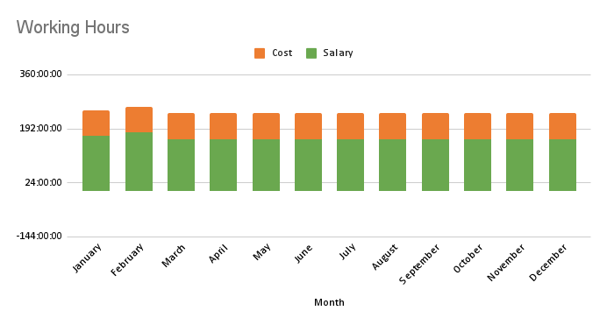
Working Hours
Month | Salary | Cost | Total
January | 170:00:00 | 80:00:00 | 250:00:00
February | 180:00:00 | 80:00:00 | 260:00:00
March | 160:00:00 | 80:00:00 | 240:00:00
April | 160:00:00 | 80:00:00 | 240:00:00
May | 160:00:00 | 80:00:00 | 240:00:00
June | 160:00:00 | 80:00:00 | 240:00:00
July | 160:00:00 | 80:00:00 | 240:00:00
August | 160:00:00 | 80:00:00 | 240:00:00
September | 160:00:00 | 80:00:00 | 240:00:00
October | 160:00:00 | 80:00:00 | 240:00:00
November | 160:00:00 | 80:00:00 | 240:00:00
December | 160:00:00 | 80:00:00 | 240:00:00
 | 1950:00:00 | 960:00:00 | 2910:00:00

Income
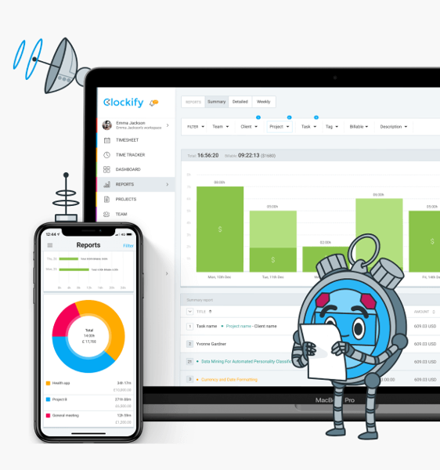
No | Type | Status | Source | Hours | Date | Month | Total | Note
1 | Salary | PAID | KANTOR | 160:00:00 | 01/01/2023 | January | Rp3,000,000
2 | Cost | PAID | KANTOR | 80:00:00 | 01/01/2023 | January | Rp0 | COMMUTE
3 | Salary | PAID | KANTOR | 10:00:00 | 01/01/2023 | January | Rp500,000 | OVERTIME
January
1 | Salary | PAID | KANTOR | 160:00:00 | 01/02/2023 | February | Rp3,500,000
2 | Cost | PAID | KANTOR | 80:00:00 | 01/02/2023 | February | Rp0 | COMMUTE
3 | Salary | PAID | KANTOR | 20:00:00 | 01/02/2023 | February | Rp1,000,000 | OVERTIME
February
1 | Salary | PAID | KANTOR | 160:00:00 | 01/03/2023 | March | Rp4,000,000
2 | Cost | PAID | KANTOR | 80:00:00 | 01/03/2023 | March | Rp0 | COMMUTE
March
1 | Salary | PAID | KANTOR | 160:00:00 | 01/04/2023 | April | Rp4,500,000
2 | Cost | PAID | KANTOR | 80:00:00 | 01/04/2023 | April | Rp0 | COMMUTE
April
1 | Salary | PAID | KANTOR | 160:00:00 | 01/05/2023 | May | Rp5,000,000
2 | Cost | PAID | KANTOR | 80:00:00 | 01/05/2023 | May | Rp0 | COMMUTE
May
1 | Salary | PAID | KANTOR | 160:00:00 | 01/06/2023 | June | Rp5,500,000
2 | Cost | PAID | KANTOR | 80:00:00 | 01/06/2023 | June | Rp0 | COMMUTE
June
1 | Salary | PAID | KANTOR | 160:00:00 | 01/07/2023 | July | Rp5,500,000
2 | Cost | PAID | KANTOR | 80:00:00 | 01/07/2023 | July | Rp0 | COMMUTE
July
1 | Salary | PAID | KANTOR | 160:00:00 | 01/08/2023 | August | Rp6,500,000
2 | Cost | PAID | KANTOR | 80:00:00 | 01/08/2023 | August | Rp0 | COMMUTE
August
1 | Salary | PAID | KANTOR | 160:00:00 | 01/09/2023 | September | Rp6,000,000
2 | Cost | PAID | KANTOR | 80:00:00 | 01/09/2023 | September | Rp0 | COMMUTE
September
1 | Salary | PAID | KANTOR | 160:00:00 | 01/10/2023 | October | Rp7,000,000
2 | Cost | PAID | KANTOR | 80:00:00 | 01/10/2023 | October | Rp0 | COMMUTE
October
1 | Salary | PAID | KANTOR | 160:00:00 | 01/11/2023 | November | Rp8,000,000
2 | Cost | PAID | KANTOR | 80:00:00 | 01/11/2023 | November | Rp0 | COMMUTE
November
1 | Salary | PAID | KANTOR | 160:00:00 | 01/12/2023 | December | Rp8,000,000
2 | Cost | PAID | KANTOR | 80:00:00 | 01/12/2023 | December | Rp0 | COMMUTE
3 | Investment | PAID | EMAS | 0:00:00 | 01/12/2023 | December | Rp900,000
December

